License Plate Read
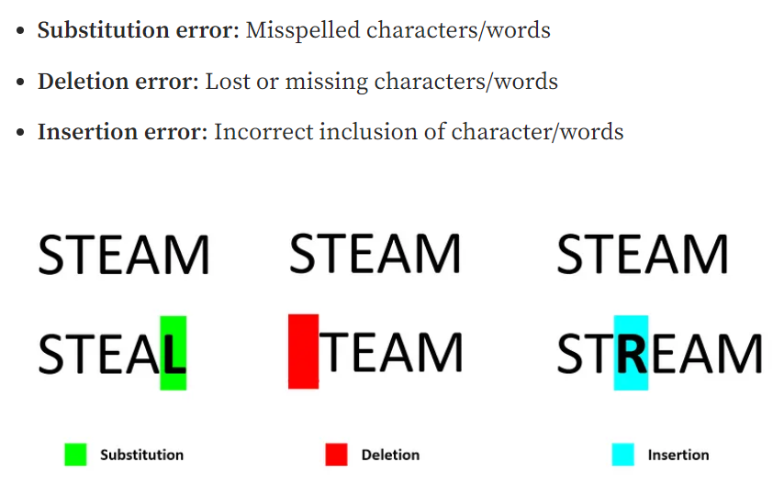
 | Prediction | Confidence | S = Number of Substitutions | D = Number of Deletions | I = Number of Insertions | N = Number of Characters | Character Error Rate
P1010001 | HP | 0 | 0 | 4 | 2 | 6 | 100%
P1010002 | JLH-060 | 0 | 0 | 0 | 0 | 6 | 0%
P1010003 | 1SPF-353 | 0 | 0 | 0 | 1 | 6 | 17%
P1010004 | PVM-592 | 0 | 0 | 0 | 0 | 6 | 0%
P1010042 | SEZ-896 | 0 | 0 | 0 | 0 | 6 | 0%
P1010012 | NFR-350 | 0 | 0 | 0 | 0 | 6 | 0%
P10100122 | 1 SPI -353 | 0.39666666667 | 1 | 0 | 1 | 6 | 33%
P1010012 | TEL-098 | 0 | 0 | 0 | 0 | 6 | 0%
P1010013 | TEL-098 | 0 | 0 | 0 | 0 | 6 | 0%
P1010029 | SVB-8131 | 0 | 1 | 0 | 0 | 6 | 17%
P10100362 | -MRV-649 | 0 | 0 | 0 | 0 | 6 | 0%
P1010039 | LZY-059 | 0 | 0 | 0 | 0 | 6 | 0%
P1010048 | R1S-7035 | 0 | 0 | 0 | 1 | 6 | 17%
P1010050 | RLC-8801 | 0.73 | 0 | 0 | 1 | 6 | 17%
P1010056 | CUET31L | 0.2 | 3 | 0 | 1 | 6 | 67%
P1010067 | ROF-720 | 0 | 1 | 0 | 0 | 6 | 17%
P10100592 | RDE-720 | 0 | 1 | 0 | 0 | 6 | 17%
P1010682 | SYA-460 | 0 | 0 | 0 | 0 | 6 | 0%
P1010072 | -PKS-6658 | 0 | 0 | 0 | 2 | 6 | 33%
P1010762 | NPX 6 | 0 | 0 | 2 | 0 | 6 | 33%
P1010077 | RXG-5568 | 0 | 2 | 0 | 1 | 6 | 50%
P1010782 | EDF-6611 | 0 | 0 | 0 | 1 | 6 | 17%
P10100823 | AS303SE | 0 | 4 | 1 | 1 | 7 | 86%
P1010088 | MSKD-022 | 0 | 1 | 0 | 1 | 6 | 33%
P1010090 | WAAVDK7232 | 0 | 0 | 0 | 3 | 7 | 43%
P1010095 | NB-385 | 0 | 0 | 0 | 1 | 6 | 17%
P1010100 | BRCX-O16L | 0.43 | 0 | 0 | 2 | 6 | 33%
P1010106 | TDR-3035 | 0 | 0 | 0 | 1 | 6 | 17%
P1010108 | MAS-4159 | 0 | 0 | 0 | 1 | 6 | 17%
P1010109 | WRYP421 | 0 | 0 | 0 | 0 | 6 | 0%
P10101523 | SDV-589 | 0 | 0 | 0 | 0 | 6 | 0%
P10101102 | TCU-521 | 0 | 0 | 0 | 0 | 6 | 0%
P1010108 | AMEG-086 | 0 | 1 | 1 | 2 | 7 | 57%
P10101152 | WSZ-620 | 0 | 2 | 0 | 0 | 6 | 33%
P1010142 | SKM-748 | 0 | 0 | 0 | 0 | 6 | 0%
P10101422 | WSGZ5368 | 0 | 0 | 0 | 2 | 6 | 33%
P10101423 | ANEG-086 | 0 | 0 | 1 | 2 | 7 | 43%
P10101523 | JOC-386 | 0 | 0 | 0 | 0 | 6 | 0%
P10101642 | AMIB225 | 0 | 3 |  | 1 | 7 | 57%
P1010179 | IHOU-406 | 0 | 1 | 0 | 1 | 6 | 33%
P1010234 | TEH-429 | 0 | 0 | 0 | 0 | 6 | 0%
P1010325 | TGG-053E | 0 | 0 | 0 | 1 | 6 | 17%
P1010342 | FRGT-770 | 0 | 0 | 0 | 1 | 6 | 17%
P1010380 | B-RCE | 0 | 4 | 2 | 0 | 7 | 86%
P10100782 | CEDK-5261 | 0 | 1 |  | 4 | 6 | 83%
P1010380 | BC96AKY | 0 | 0 | 0 | 0 | 7 | 0%
P1010389 | FNOL-7111 | 0 | 1 | 2 | 1 | 6 | 67%
P1010573 | ANLD-3068 | 0.21 |  | 1 | 1 | 7 | 29%
P1010587 | BTDF-295 | 0 |  | 1 | 1 | 6 | 33%
P1010623 | EHHP-897 | 0 | 0 | 0 | 1 | 6 | 17%
P1010634 | SYT-630 | 0 | 0 | 0 | 0 | 6 | 0%
P10106342 | CN |  | 2 | 4 | 0 | 6 | 100%

 |  |  |  |  |  | Character Error Rate | 27%

